Sheet1
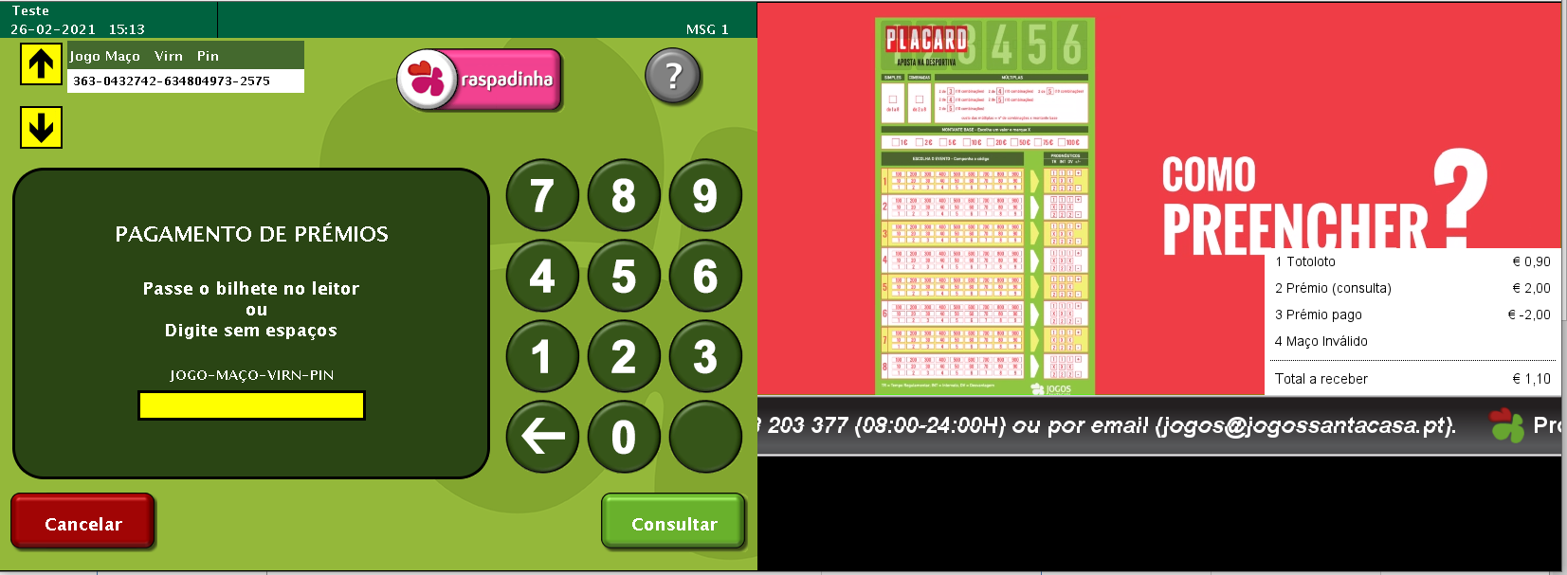
 |  |  |  | Validation

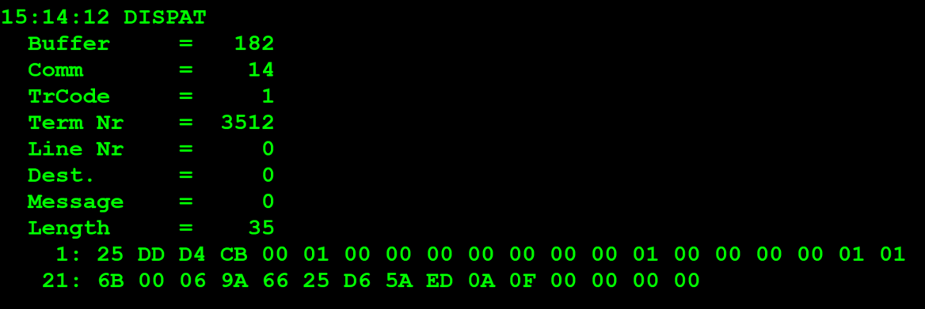
TestByte |  | Size | Field Contents
Start | End
1 | 1 | 1 | Control | Sequence | 20 | Control=0010 Sequence=0000 | 2 0 | Control -> x10 - Application Message Sequence -> 0
2 | 2 | 1 | Type = 13 | Subtype = 13 | DD | Type=1101 Subtype=1101 | Type=13 Subtype=13 | Type = 13 Subtype = 13
3 | 4 | 2 | Checksum |  | .. | .. | .. | ..
5 | 5 | 1 | Statistics[1] |  | 00
6 | 7 | 2 | Option Flags |  | 01 00 |  |  | 01 00 =Bank Validation mode (1 byte)
8 | 8+n-1 | n | Option Data[2] |  | 00 |  |  | 0x00 = New bank validation request
8+n | 8+n | 1 | Batch Flag (see below) |  | 00 |  |  | x00 = Not Batched
9+n | 12+n | 4 | Retailer number, who gets the credit For non-privileged terminals this field should be set to 0. |  | 00 00 00 00 |  | 0 | non-privileged terminal = 0
13+n | 13+n | 1 | Validation Mode ( 0 = Pay, 1 = Inquire with no updates ) |  | 01 |  | 1 | 1 = Inquire with no updates
14+n | 17+n | 4 | Envelope Identification Number (generated by the terminal) For non-privileged terminal this field should be set to 0. |  | 00 00 00 00 |  | 0 | non-privileged terminal = 0
18+n | 18+n | 1 | Number of Tickets in Batch |  | 01 |  | 1 | 1 ticket validation
19+n | 20+n | 2 | Game Number (000-999) |  | 01 6B |  | 363
21+n | 24+n | 4 | Pack Number |  | 00 06 9A 66 |  | 432742
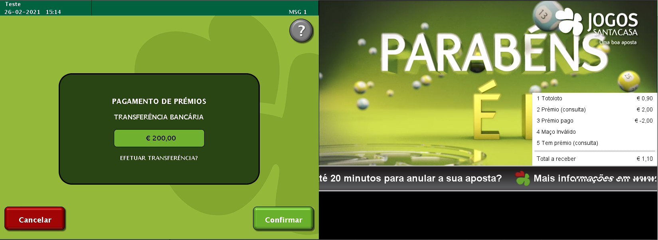
25+n | 28+n | 4 | VIRN Number (9 digits) |  | 25 D6 5A ED |  | 634804973
29+n | 30+n | 2 | Latex Number |  | 0A 0F |  | 2575
31+n | 34+n | 4 | Amount in cents |  | 00 00 00 00 |  | 0

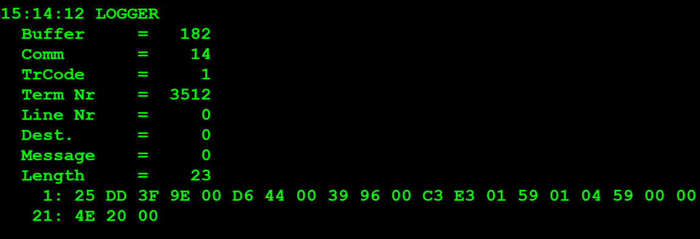
TestByte |  | Size | Field Contents
Start | End
1 | 1 | 1 | Control | Sequence | 20 | Control=0010 Sequence=0000 | 2 0 | Control -> x10 - Application Message Sequence -> 0
2 | 2 | 1 | Type = 13 | Subtype = 13 | DD | Type=1101 Subtype=1101 | Type=13 Subtype=13 | Type = 13 Subtype = 13
3 | 4 | 2 | Checksum |  | .. | .. | .. | ..
5 | 7 | 3 | Time Stamp (seconds since midnight) |  | 00 D6 44 |  | 54852 | 15:14:12.
8 | 9 | 2 | Julian Date (3 digits, unsigned) |  | 00 39 |  | 57 | 57=31+26
10 | 12 | 3 | External Serial Number (8 digits, unsigned) |  | 96 00 C3
13 | 13 | 1 | Check digit |  | E3
14 | 14 | 1 | Result Code 1 (see below) |  | 01 |  | 1 | 01 = Error (error code in Result Code 2, see Appendix B for values)
15 | 15 | 1 | Result Code 2 (see below) |  | 59 |  | 89
16 | 16 | 1 | Option Flags |  | 01 |  | 01 | 01 = Bank validation mode (1 Byte)
17 | 17+n | n | Option Data (see below) |  | 04 |  | 4 | 0x04 = New bank validation mid-tier inquiry response (bank transfer only)
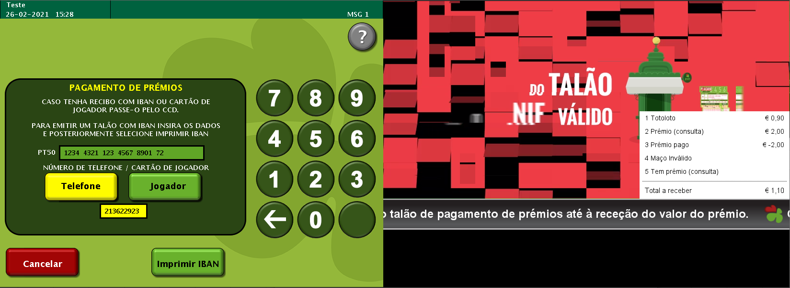
 | TestByte |  | Size | Field Contents
 | Start | End
 | 1 | 1 | 1 | Ticket Result Code | 59 |  | 89
 | 2 | 5 | 4 | Prize Amount of Validated Ticket (In cents) | 00 00 4E 20 |  | 20000 | 20000 cent = 200 euros
 | 6 | 6 | 1 | Pack status for the privileged terminal: | 00 |  | 0 | 0 – OK
 |  |  |  | Value:
 |  |  |  | 0 – OK
 |  |  |  | 1 – Missing
 |  |  |  | 2 - Stolen

 |  |  |  | Payment
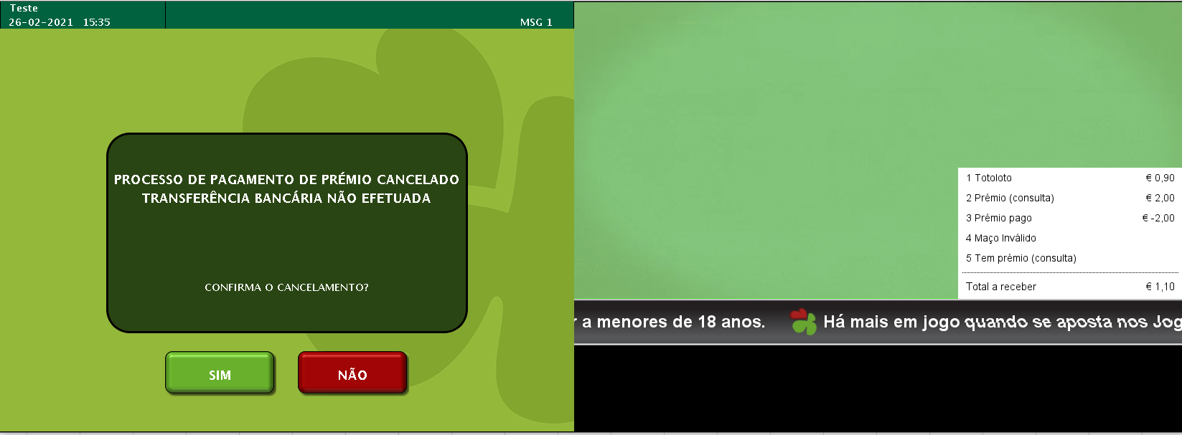

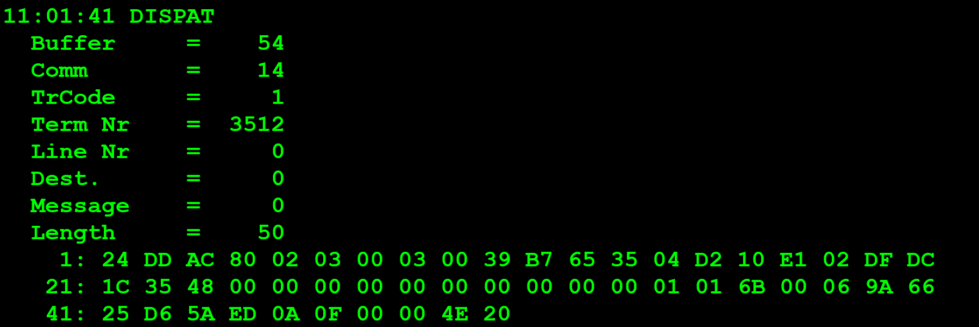
TestByte |  | Size | Field Contents
Start | End
1 | 1 | 1 | Control | Sequence | 24 | Control=0010 Sequence=0100 | 2 4 | Control -> x10 - Application Message Sequence -> 4
2 | 2 | 1 | Type = 13 | Subtype = 13 | DD | Type=1101 Subtype=1101 | Type=13 Subtype=13 | Type = 13 Subtype = 13
3 | 4 | 2 | Checksum |  | AC 80 | … | … | …
5 | 5 | 1 | Statistics[1] |  | 02 |  |  | 02 = Wand or Slot Reader
6 | 7 | 2 | Option Flags |  | 03 00 |  |  | 01 00 = Bank Validation mode 1 byte 02 00 = Bank data 15 bytes
8 | 8+n-1 | n | Option Data[2] |  | 03 00 39 B7 65 35 04 D2 10 E1 02 DF DC 1C 35 48 |  | 03 --------------------- 0 --- 968320309 --- 22764498443492447237448 | Values for Bank validation mode: 0x03 = New bank validation mid/high tier request (bank transfer) --- Player Card = 0 --- telefone:968320309 --- NIB: 22764498443492447237448
8+n | 8+n | 1 | Batch Flag (see below) |  | 00 |  | 0 | x00 = Not Batched
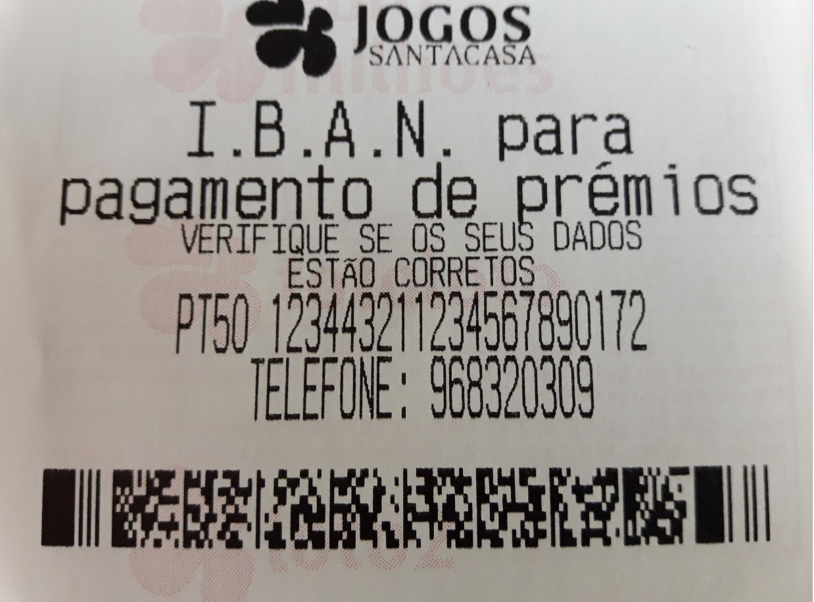
9+n | 12+n | 4 | Retailer number, who gets the credit For non-privileged terminals this field should be set to 0. |  | 00 00 00 00 |  | 0
13+n | 13+n | 1 | Validation Mode ( 0 = Pay, 1 = Inquire with no updates ) |  | 00 |  | 0 | 0 = Pay
14+n | 17+n | 4 | Envelope Identification Number (generated by the terminal) For non-privileged terminal this field should be set to 0. |  | 00 00 00 00 |  | 0
18+n | 18+n | 1 | Number of Tickets in Batch |  | 01 |  | 1 | 1 TICKET
19+n | 20+n | 2 | Game Number (000-999) |  | 01 6B |  | 363
21+n | 24+n | 4 | Pack Number |  | 00 06 9A 66 |  | 432742
25+n | 28+n | 4 | VIRN Number (9 digits) |  | 25 D6 5A ED |  | 634804973
29+n | 30+n | 2 | Latex Number |  | 0A 0F |  | 2575
31+n | 34+n | 4 | Amount in cents |  | 00 00 4E 20 |  | 20000 cent | 20000/100=200 euros

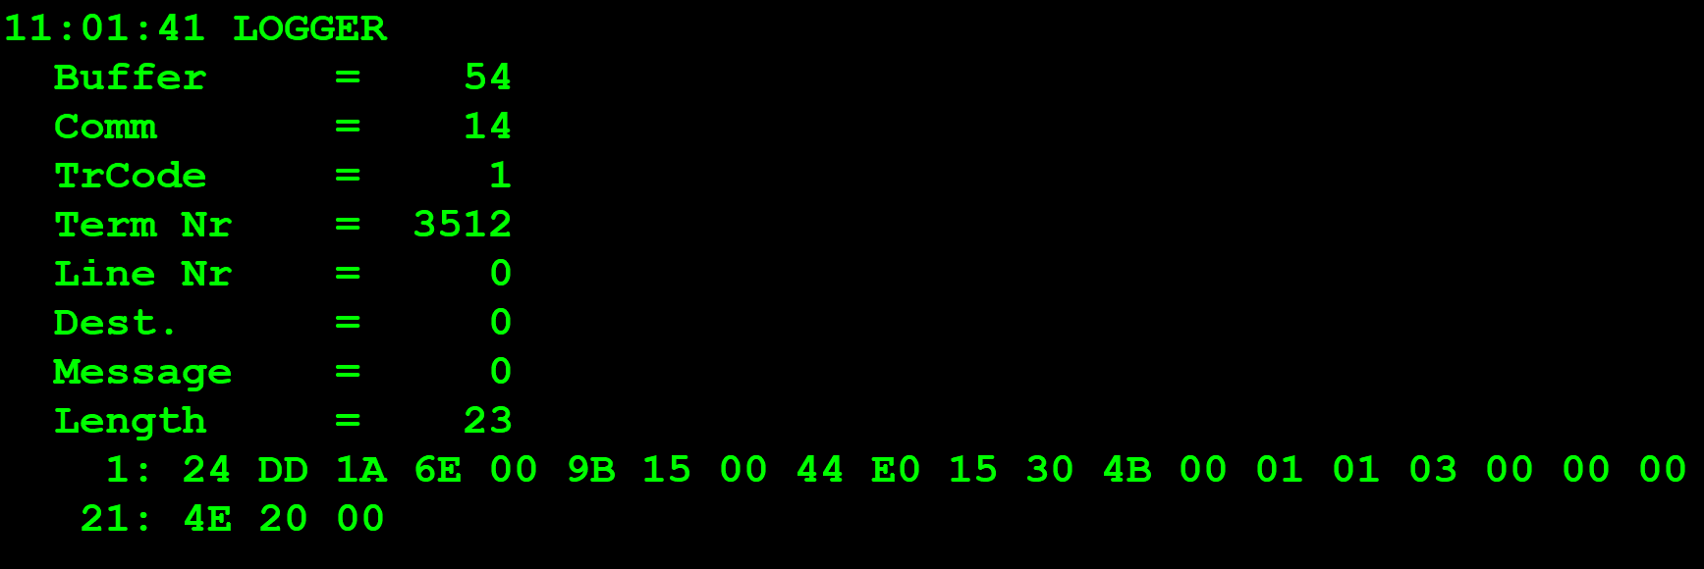
TestByte |  | Size | Field Contents
Start | End
1 | 1 | 1 | Control | Sequence | 24 | Control=0010 Sequence=0100 | 2 4 | Control -> x10 - Application Message Sequence -> 4
2 | 2 | 1 | Type = 13 | Subtype = 13 | DD | Type=1101 Subtype=1101 | Type=13 Subtype=13 | Type = 13 Subtype = 13
3 | 4 | 2 | Checksum |  | 1A 6E
5 | 7 | 3 | Time Stamp (seconds since midnight) |  | 00 9B 15 |  | 39701 | 11:01:41.
8 | 9 | 2 | Julian Date (3 digits, unsigned) |  | 00 44 |  | 68 | 068
10 | 12 | 3 | External Serial Number (8 digits, unsigned) |  | E0 15 30 |  | 14685488
13 | 13 | 1 | Check digit |  | 4B |  | 75 | 075
14 | 14 | 1 | Result Code 1 (see below) |  | 00 |  | 0 | 00 = No error (number of tickets in the batch in Result Code 2)
15 | 15 | 1 | Result Code 2 (see below) |  | 01 |  | 1 | 1 ticket
16 | 16 | 1 | Option Flags |  | 01 |  | 1 | 01 = Bank validation mode 1 byte
17 | 17+n | n | Option Data (see below) |  | 03 |  | 3 | 0x03 = New bank validation mid/high tier response (bank transfer accepted)

 | TestByte |  | Size | Field Contents
 | Start | End
 | 1 | 1 | 1 | Ticket Result Code | 00 |  | 0
 | 2 | 5 | 4 | Prize Amount of Validated Ticket (In cents) | 00 00 4E 20 |  | 20000 CENT | 200 EUROS
 | 6 | 6 | 1 | Pack status for the privileged terminal: | 00 |  | 0 | 0 – OK
 |  |  |  | Value:
 |  |  |  | 0 – OK
 |  |  |  | 1 – Missing
 |  |  |  | 2 - Stolen

